Pivot Table 9
Customer Sector | SUM of Sales Value | @dropdown | @
Banking | 19.19%
Electronics | 21.81%
Healthcare | 20.43%
Retail | 20.42%
Telecom | 18.15%
Grand Total | 100.00%

Sheet30
SUM of Sales Value
 | SUM of Sales Value
Banking | 48245
Electronics | 54829
Healthcare | 51367
Retail | 51344
Telecom | 45621
sector
 | SUM of Sales Value
Banking | 48245
Electronics | 54829
Healthcare | 51367
Retail | 51344
Telecom | 45621
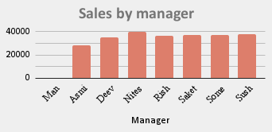

SUM of Sales Value vs Brand
 | SUM of Sales Value
Brand1 | 60780
Brand2 | 65590
Brand3 | 63177
Brand4 | 61859
sales by state
 | SUM of Sales Value
Delhi | 35486
Haryana | 33502
HP | 36312
Punjab | 41718
Rajasthan | 33964
UP | 34574
Uttarakhand | 35850
contribuation by sector
19.19% | 19.19%
21.81% | 21.81%
20.43% | 20.43%
20.42% | 20.42%
18.15% | 18.15%

Pivot Table 10
Customer Sector | SUM of Sales Value
Banking | 48245
Electronics | 54829
SUM of Sales Value
Healthcare | 51367
Retail | 51344
Telecom | 45621

Pivot Table 8
Customer Sector | SUM of Sales Value
Banking | 48245
Electronics | 54829
Healthcare | 51367
Retail | 51344
Telecom | 45621
sector
 | SUM of Sales Value
Banking | 48245
Electronics | 54829
Healthcare | 51367
Retail | 51344
Telecom | 45621

pivot sector
sales by sector
 | SUM of Sales Value
Banking | 48245
Electronics | 54829
Healthcare | 51367
Retail | 51344
Telecom | 45621
Customer Sector | SUM of Sales Value
Banking | 48245
Electronics | 54829
Healthcare | 51367
Retail | 51344
Telecom | 45621

pivot brand
SUM of Sales Value vs Brand
Brand | SUM of Sales Value
Brand1 | 60780
Brand2 | 65590
Brand3 | 63177
Brand4 | 61859

Pivot Table 5
sales by brand
 | SUM of Sales Value
Brand1 | 60780
Brand2 | 65590
Brand3 | 63177
Brand4 | 61859
Brand | SUM of Sales Value
Brand1 | 60780
Brand2 | 65590
Brand3 | 63177
Brand4 | 61859

Pivot Table 4_conflict815684635
SUM of Sales Value vs. State
 | SUM of Sales Value
Delhi | 35486
Haryana | 33502
HP | 36312
Punjab | 41718
Rajasthan | 33964
UP | 34574
Uttarakhand | 35850
State | SUM of Sales Value
Delhi | 35486
Haryana | 33502
HP | 36312
Punjab | 41718
Rajasthan | 33964
UP | 34574
Uttarakhand | 35850

Pivot Table 3
State | SUM of Sales Value
Delhi | 35486
Haryana | 33502
HP | 36312
Punjab | 41718
sales by state
 | SUM of Sales Value
Delhi | 35486
Haryana | 33502
HP | 36312
Punjab | 41718
Rajasthan | 33964
UP | 34574
Uttarakhand | 35850
Rajasthan | 33964
UP | 34574
Uttarakhand | 35850

pivot chart
19.19% | 19.19%
21.81% | 21.81%
20.43% | 20.43%
20.42% | 20.42%
18.15% | 18.15%
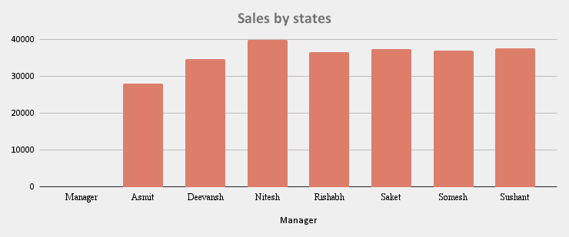
sales by state
 | SUM of Sales Value
Delhi | 35486
Haryana | 33502
HP | 36312
Punjab | 41718
Rajasthan | 33964
UP | 34574
Uttarakhand | 35850

sales by brand
 | SUM of Sales Value
Brand1 | 60780
Brand2 | 65590
Brand3 | 63177
Brand4 | 61859
sector
 | SUM of Sales Value
Banking | 48245
Electronics | 54829
Healthcare | 51367
Retail | 51344
Telecom | 45621

pivot chart
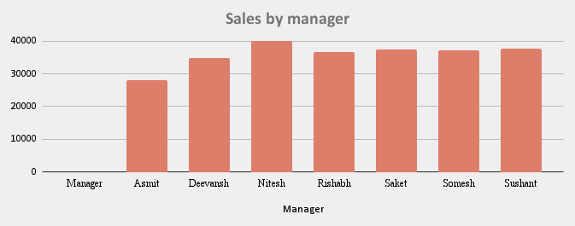
sales by state
 | SUM of Sales Value
Delhi | 35486
Haryana | 33502
HP | 36312
Punjab | 41718
Rajasthan | 33964
UP | 34574
Uttarakhand | 35850
19.19% | 19.19%
21.81% | 21.81%
20.43% | 20.43%
20.42% | 20.42%
18.15% | 18.15%

sales by brand
 | SUM of Sales Value
Banking | 48245
Electronics | 54829
Healthcare | 51367
Retail | 51344
Telecom | 45621
sales by sector
 | SUM of Sales Value
Banking | 48245
Electronics | 54829
Healthcare | 51367
Retail | 51344
Telecom | 45621

Pivot Table 1
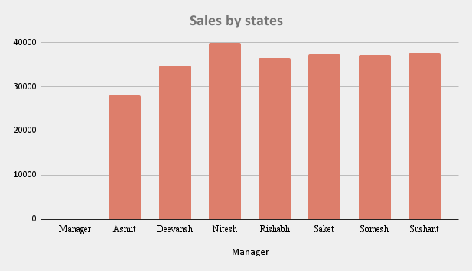
Manager | SUM of Sales Value
Asmit | 27972
Deevansh | 34797
Nitesh | 40000
Rishabh | 36552
Saket | 37388
Somesh | 37127
Sushant | 37570

 |  | c

